WS-Relative-Abs Referencing
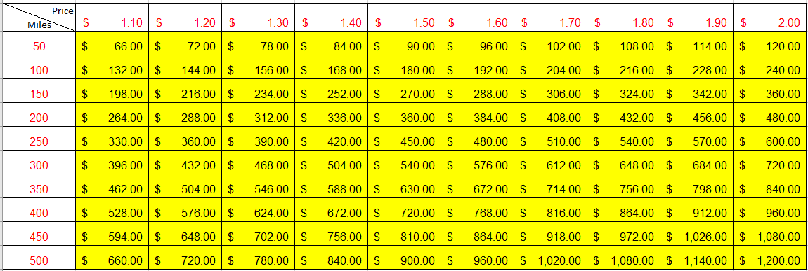
Question (a): ABC trucking Inc has booked TL trips from Montreal to the destinations given below.
The fuel surcharge = |  |  |  | 20%
Find out the invoice price (rounded to nearest $) for each trip.

Montreal to | Distance (miles) | TL price per mile |  | Total Invoice Price ($)
Cambridge | 327 | $2.70 |  | $1,059.48
Lansing | 632 | $1.95 |  | $1,478.88
Lexington | 927 | $1.70 |  | $1,891.08

Question (b): Find out the total invoice price for different distances and different price/mile in a table.
The fuel surcharge = |  |  |  | 20%
You must format the corner cell for row and colum titles.
You must use "Fill Series" feature to automatically fill-in "per mile" price row, starting $1.10 to $2.00 with an increment of $0.10
You must use "Fill Series" feature to automatically fill-in the "Miles" column to start with 50 to 500 with an increment of 50.
You must use only one expression that can be dragged around to find the answer in all columns.

Price Miles | $1.10 | $1.20 | $1.30 | $1.40 | $1.50 | $1.60 | $1.70 | $1.80 | $1.90 | $2.00
50 | $66.00 | $72.00 | $78.00 | $84.00 | $90.00 | $96.00 | $102.00 | $108.00 | $114.00 | $120.00
100 | $132.00 | $144.00 | $156.00 | $168.00 | $180.00 | $192.00 | $204.00 | $216.00 | $228.00 | $240.00
150 | $198.00 | $216.00 | $234.00 | $252.00 | $270.00 | $288.00 | $306.00 | $324.00 | $342.00 | $360.00
200 | $264.00 | $288.00 | $312.00 | $336.00 | $360.00 | $384.00 | $408.00 | $432.00 | $456.00 | $480.00
250 | $330.00 | $360.00 | $390.00 | $420.00 | $450.00 | $480.00 | $510.00 | $540.00 | $570.00 | $600.00
300 | $396.00 | $432.00 | $468.00 | $504.00 | $540.00 | $576.00 | $612.00 | $648.00 | $684.00 | $720.00
350 | $462.00 | $504.00 | $546.00 | $588.00 | $630.00 | $672.00 | $714.00 | $756.00 | $798.00 | $840.00
400 | $528.00 | $576.00 | $624.00 | $672.00 | $720.00 | $768.00 | $816.00 | $864.00 | $912.00 | $960.00
450 | $594.00 | $648.00 | $702.00 | $756.00 | $810.00 | $864.00 | $918.00 | $972.00 | $1,026.00 | $1,080.00
500 | $660.00 | $720.00 | $780.00 | $840.00 | $900.00 | $960.00 | $1,020.00 | $1,080.00 | $1,140.00 | $1,200.00

WS-PivotTable_and_Chart
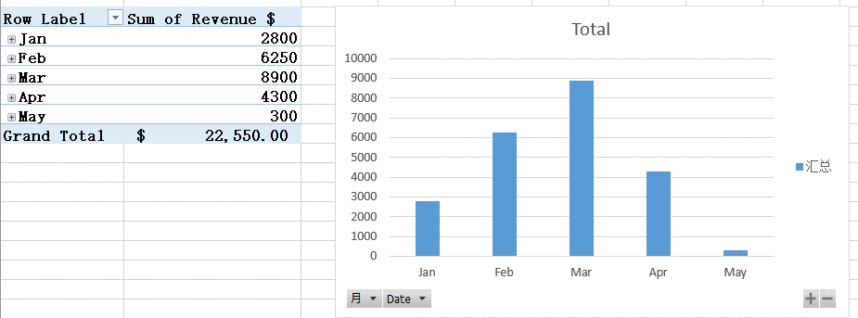
Question: Trips Logistics Inc. is providing TL and LTL transport service to Canadian Merchant companies such as RONA, RENOT, WALMART, BESTBUY, etc.
A list of transactions of Trips Logistics Inc. with each truck assigned, is presented in the table below:
Using Pivot Tables and Charts, find summary of (a) customer-wise, (b) truck-wise, and (c) monthly revenues $.
Use new worksheet for Pivot table and chart. Name the new worksheet as "PivotTableChart". Use Snipping tool to cut/paste results in this worksheet.

Date | Customer | Truck | Number of Days | Revenue $
2020-01-05 | Renot | Volvo | 6 | 1,800.00
2020-01-19 | Rona | GM | 5 | 1,000.00
2020-02-03 | Walmart | Ford | 1 | 250.00
2020-02-15 | Rona | GM | 15 | 3,000.00
2020-02-28 | Walmart | Volvo | 10 | 3,000.00
2020-03-13 | Rona | Mercedes | 8 | 4,000.00
2020-03-25 | BestBuy | GM | 5 | 1,000.00
2020-03-30 | Renot | Volvo | 11 | 3,300.00
2020-03-30 | Rona | GM | 3 | 600.00
2020-04-02 | Walmart | Ford | 2 | 500.00
2020-04-15 | Rona | GM | 5 | 1,000.00
2020-04-25 | Walmart | Ford | 4 | 1,000.00
2020-04-25 | Kmart | Ford | 4 | 1,000.00
2020-04-25 | Umart | GM | 4 | 800.00
2020-05-01 | Kmart | Volvo | 1 | 300.00

(a) customer-wise
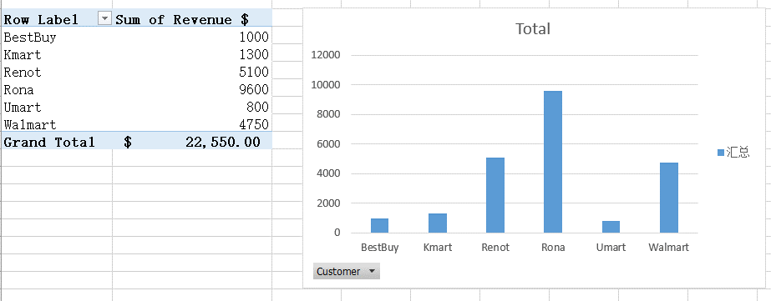

(b) truck-wise,
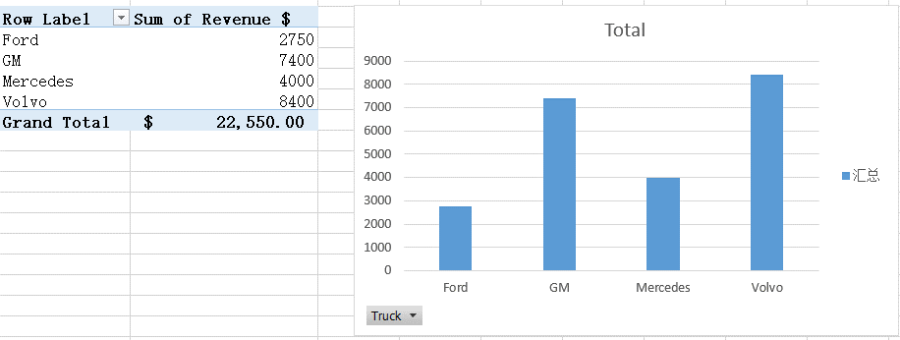

(c) monthly revenues

Sheet2
Total
Row Label | Sum of Revenue $
Jan | 2800
Feb | 6250
Mar | 8900
Apr | 4300
May | 300
Grand Total | $22,550.00

WS-Graphical-Presentation
Question: Trips Logistics Inc. is providing TL and LTL transport service to Canadian Merchant companies such as RONA, RENOT, WALMART, BESTBUY, etc.
A list of transactions of Trips Logistics Inc. with each truck assigned, is presented in the table below:
Using SUMIF() find out the customerwise revenue, and present it in a bar chart, a pie chart, and a line chart.

Date | Customer | Truck | Number of Days | Revenue $ | Customer | Revenue $
2020-01-05 | Renot | Volvo | 6 | 1,800.00 | Renot | $10,200.00
2020-01-19 | Rona | GM | 5 | 1,000.00 | Rona | $19,200.00
2020-01-30 | Walmart | Ford | 1 | 250.00 | Walmart | $9,500.00
2020-01-31 | Kmart | Ford | 4 | 1,000.00 | BestBuy | $2,000.00
2020-02-15 | Rona | GM | 15 | 3,000.00 | Umart | $1,600.00
2020-02-28 | Walmart | Volvo | 10 | 3,000.00 | Kmart | $2,600.00
2020-02-28 | Rona | Mercedes | 8 | 4,000.00 | Total = | $45,100.00
2020-02-28 | Walmart | Ford | 4 | 1,000.00
2020-02-28 | BestBuy | GM | 5 | 1,000.00
2020-03-01 | Renot | Volvo | 11 | 3,300.00
2020-03-10 | Rona | GM | 3 | 600.00
2020-03-25 | Walmart | Ford | 2 | 500.00
2020-03-30 | Rona | GM | 5 | 1,000.00
2020-03-31 | Umart | GM | 4 | 800.00
2020-03-31 | Walmart | Ford | 4 | 1,000.00
2020-04-01 | Kmart | Ford | 4 | 1,000.00
2020-04-02 | Umart | GM | 4 | 800.00
2020-04-10 | Kmart | Volvo | 1 | 300.00
2020-04-20 | Renot | Volvo | 6 | 1,800.00
2020-04-25 | Rona | GM | 5 | 1,000.00
2020-04-28 | Kmart | Volvo | 1 | 300.00
2020-04-30 | Walmart | Ford | 1 | 250.00
2020-05-01 | Rona | GM | 15 | 3,000.00
2020-05-02 | Walmart | Volvo | 10 | 3,000.00
2020-05-05 | Rona | Mercedes | 8 | 4,000.00
2020-05-17 | BestBuy | GM | 5 | 1,000.00
2020-05-25 | Renot | Volvo | 11 | 3,300.00
2020-05-30 | Rona | GM | 3 | 600.00
2020-05-31 | Walmart | Ford | 2 | 500.00
2020-05-31 | Rona | GM | 5 | 1,000.00
Total |  |  |  | 45,100.00

WS-Histogram
Question: Trips Logistics Inc. is providing TL and LTL transport service to Canadian Merchant companies such as RONA, RENOT, WALMART, BESTBUY, etc.
A list of transactions of Trips Logistics Inc. with each truck assigned, is presented in the table below:
Draw histograms for the number of transactions, and Revenue $: 1-500, 500-1000, 1000-1500, 1500-2000, 2000-2500, 2500-3000, 3000-3500, 3500-4000, and 4000-4500 since the max is $4000.

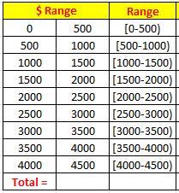
 |  |  |  |  | Use functions and formulas to build this table |  |  |  |  | Hint: Model
Date | Customer | Truck | Number of Days | Revenue $ | $ Range |  | Range | # of Txn | Revenue $
2020-01-05 | Renot | Volvo | 6 | 1,800.00 | 0 | 500 | [0-500] | 4 | $1,100
2020-01-19 | Rona | GM | 5 | 1,000.00 | 500 | 1000 | [500-1000] | 5 | $3,300
2020-01-30 | Walmart | Ford | 1 | 250.00 | 1000 | 1500 | [1000-1500] | 9 | $9,000
2020-01-31 | Kmart | Ford | 4 | 1,000.00 | 1500 | 2000 | [1500-2000] | 3 | $5,100
2020-02-15 | Rona | GM | 15 | 3,000.00 | 2000 | 2500 | [2000-2500] | 1 | $2,300
2020-02-28 | Walmart | Volvo | 10 | 3,000.00 | 2500 | 3000 | [2500-3000] | 0 | $-
2020-02-28 | Rona | Mercedes | 8 | 4,000.00 | 3000 | 3500 | [3000-3500] | 6 | $18,600
2020-02-28 | Walmart | Ford | 4 | 1,500.00 | 3500 | 4000 | [3500-4000] | 0 | $-
2020-02-28 | BestBuy | GM | 5 | 1,000.00 | 4000 | 4500 | [4000-4500] | 2 | $8,000
2020-03-01 | Renot | Volvo | 11 | 3,300.00 | Total = |  |  | 30 | $43,000
2020-03-10 | Rona | GM | 3 | 600.00
2020-03-25 | Walmart | Ford | 2 | 2,300.00
2020-03-30 | Rona | GM | 5 | 1,000.00
2020-03-31 | Umart | GM | 4 | 800.00
2020-03-31 | Walmart | Ford | 4 | 1,000.00
2020-04-01 | Kmart | Ford | 4 | 1,000.00
2020-04-02 | Umart | GM | 4 | 800.00
2020-04-10 | Kmart | Volvo | 1 | 300.00
2020-04-20 | Renot | Volvo | 6 | 1,800.00
2020-04-25 | Rona | GM | 5 | 1,000.00
2020-04-28 | Kmart | Volvo | 1 | 300.00
2020-04-30 | Walmart | Ford | 1 | 250.00
2020-05-01 | Rona | GM | 15 | 3,000.00
2020-05-02 | Walmart | Volvo | 10 | 3,000.00
2020-05-05 | Rona | Mercedes | 8 | 4,000.00
2020-05-17 | BestBuy | GM | 5 | 1,000.00
2020-05-25 | Renot | Volvo | 11 | 3,300.00
2020-05-30 | Rona | GM | 3 | 600.00
2020-05-31 | Walmart | Ford | 2 | 500.00
2020-05-31 | Rona | GM | 5 | 1,000.00
Total

WS-DataEntry-Validate-Dropdown
Question: Fill-in the employee data of Trips Logistics Dispatch divistion using the following data validation features.
(a) Create a drop-down list of M, F, and O for Gender column, and fill-in the values as you think appropriate based on the first name.
(b) Create a drop-down list for moth of hire with source being the table given.
(c) Enter salary between $10,000 to $80,000 generating an input message (title: yearly salary, message: $10,000-$80,000) and a warning (title: Invalid data, Message: Please enter whole number between 10,000 and 80,000)
(d) Make the source for list table disappear by white font, no fill, and no borders grid.

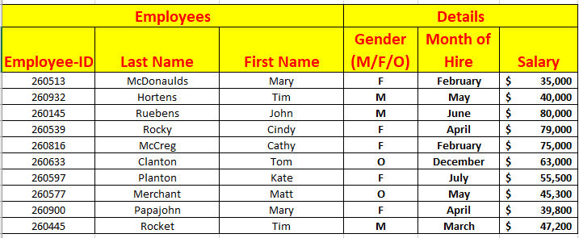
Employees |  |  | Details
Employee-ID | Last Name | First Name | Gender (M/F/O) | Month of Hire | Salary | source for list
260513 | McDonaulds | Mary | F | February | $35,000 | January
260932 | Hortens | Tim | M | May | ¥40,000 | February
260145 | Ruebens | John | M | June | ¥80,000 | March
260539 | Rocky | Cindy | F | April | ¥79,000 | April
260816 | McCreg | Cathy | F | February | ¥75,000 | May
260633 | Clanton | Tom | O | December | ¥63,000 | June
260597 | Planton | Kate | F | July | ¥55,500 | July
260577 | Merchant | Matt | O | May | ¥45,300 | August
260900 | Papajohn | Mary | F | April | ¥39,800 | September
260445 | Rocket | Tim | M | March | ¥47,200 | October
 |  |  |  |  |  | November
 |  |  |  |  |  | December

WS-Forecast-LinearRegression
Question: Trips Logistics Inc. is providing TL and LTL transport service to Canadian Merchant companies such as RONA, RENOT, WALMART, BESTBUY, etc.
Trips Logistics wants to forecast sales (in 1000 of $) of next three months based on the past data which is presented below.
Using the Excel Linear Regression feature, find out the sales for next three months.
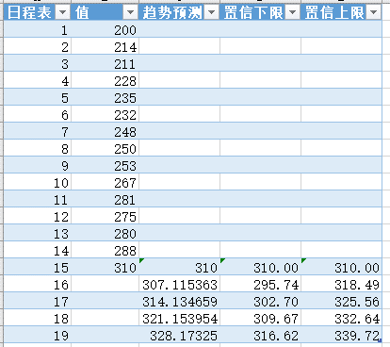
Year | Month | Sales in 1000s of $
2019 | May | 200
 | June | 214
 | July | 211
 | August | 228
 | September | 235
 | October | 232
 | November | 248
 | December | 250
2020 | January | 253
 | February | 267
 | March | 281
 | April | 275
 | 值 | 趋势预测 | 置信下限 | 置信上限
 | 200
 | 214
 | 211
 | 228
 | 235
 | 232
 | 248
 | 250
 | 253
 | 267
 | 281
 | 275
 | 280
 | 288
 | 310 | 310 | 310 | 310
 |  | 307.11536295 | 295.74310508 | 318.48762081
 |  | 314.13465862 | 302.70454373 | 325.56477351
 |  | 321.15395429 | 309.66513113 | 332.64277744
 |  | 328.17324996 | 316.62486908 | 339.72163084
 | May | 280
 | June | 288
 | July | 310
 | August | 307
 | September | 314
 | October | 321

Sheet3
日程表 | 值 | 趋势预测 | 置信下限 | 置信上限
1 | 200
2 | 214
3 | 211
4 | 228
5 | 235
6 | 232
7 | 248
8 | 250
9 | 253
10 | 267
11 | 281
12 | 275
13 | 280
14 | 288
15 | 310 | 310 | 310.00 | 310.00
16 |  | 307.11536295 | 295.74 | 318.49
17 |  | 314.13465862 | 302.70 | 325.56
18 |  | 321.15395429 | 309.67 | 332.64
19 |  | 328.17324996 | 316.62 | 339.72

 | 值 | 趋势预测 | 置信下限 | 置信上限
 | 200
 | 214
 | 211
 | 228
 | 235
 | 232
 | 248
 | 250
 | 253
 | 267
 | 281
 | 275
 | 280
 | 288
 | 310 | 310 | 310 | 310
 |  | 307.11536295 | 295.74310508 | 318.48762081
 |  | 314.13465862 | 302.70454373 | 325.56477351
 |  | 321.15395429 | 309.66513113 | 332.64277744
 |  | 328.17324996 | 316.62486908 | 339.72163084

